Hiearchy View
CLASS: VIDEO DISTRIBUTION AMPLIFIER
takes a video signal as an input, amplifies it, and outputs the amplified video signal to two or more outputs. It is primarily used to supply a single video signal to multiple pieces of video equipment |  | 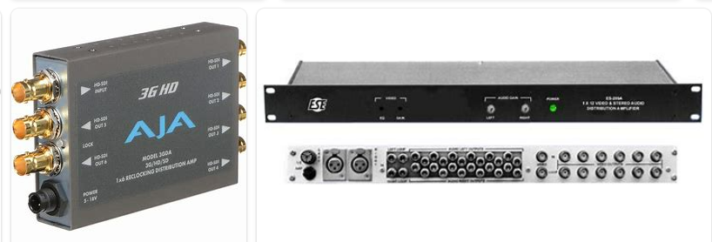
REMOVE | N

PROBLEM_DESC | CAUSE_DESC | REMEDY_DESC
BROKEN/DAMAGED
OTHER PROBLEM
OVERHEATING
POWER-ELEC
STOPPED/SLOWED/POOR OPS
TEMP-CTRL
VIBRATION
Grand Total

